effect
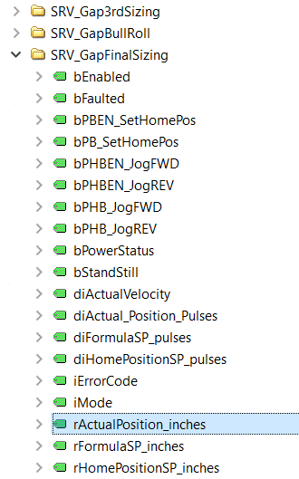
Parameter | Measure | Effect | Target
大辊速度 | Gum Weight | - | PCC - production conversion cost | Gum Weight | KQA - key quality attributes
1号辊轮速度 | Gum Weight | - | PCC - production conversion cost | Gum Temperature | PCC - production conversion cost
1号辊间隙 | Gum Weight | + | PCC - production conversion cost | Gum Density | TRS - producivity
2号辊轮速度 | Gum Weight | - | PCC - production conversion cost
2号辊间隙 | Gum Weight | + | PCC - production conversion cost
3号辊轮速度 | Gum Weight | - | PCC - production conversion cost
3号辊间隙 | Gum Weight | + | PCC - production conversion cost
Forming Roller 辊轮速度 | Gum Weight | - | PCC - production conversion cost
Forming Roller 定型辊间隙 | Gum Weight | + | PCC - production conversion cost
挤压机温度 | Gum Temperature | - | PCC - production conversion cost
挤压机温度 | Gum Density |  | PCC - production conversion cost
冷辊温度 | Gum Temperature | - | PCC - production conversion cost
冷辊温度 | Gum Density |  | PCC - production conversion cost
横刀速度 | Gum Weight | - | PCC - production conversion cost
横刀速度 | Gum Density | - | PCC - production conversion cost
系统速度 | Gum Weight | - | PCC - production conversion cost
系统速度 | Gum Density | - | PCC - production conversion cost
口香糖单片长度 | Gum Weight | + | KQA - key quality attributes
口香糖单片宽度 | Gum Weight | + | KQA - key quality attributes
口香糖单片深度 | Gum Weight | + | KQA - key quality attributes
口香糖单片厚度 | Gum Weight | + | KQA - key quality attributes

neo4j
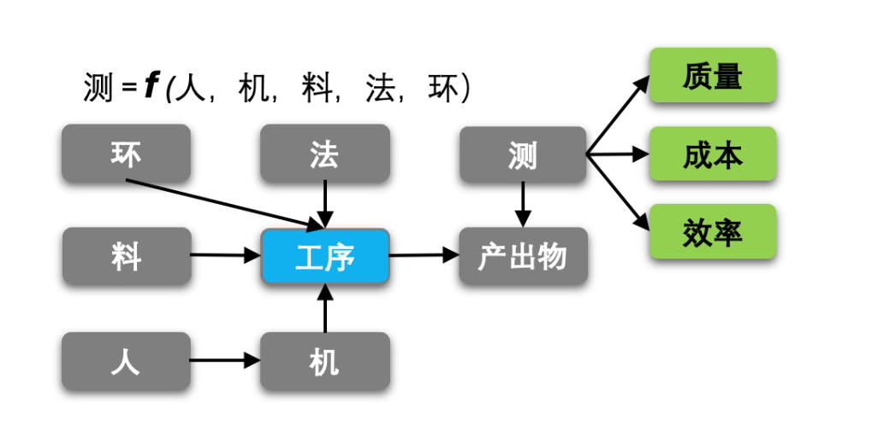
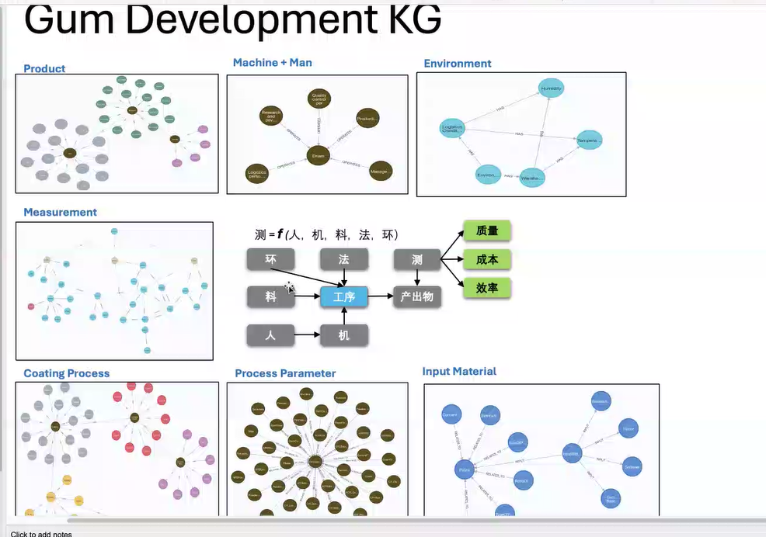

 |  |  | 非生产设备
环境 | 生产前准备 | 能耗100 | 空调
室温

工步 | 设备 | 能耗 | 起点 | 终点 | 产出物 | 产量
A |  | 100GJ

设备分层级来区分

recipe
SKU | 挤压机嘴操作侧高度 | 挤压机嘴边料侧高度 | 生产状态 | 切片线速度（rpm） | 挤压机设定速度（%） | ± | 上/下腔温度（°C） | 挤压机嘴温度（°C） | 冷辊温度（°C）
EXCW | 30mm | 29.5mm | 首班开机 | 160 | 80 | 2 | 70 | 75 | -13
EXCW | 30mm | 29.5mm | 正常生产 | 160 | 75 | 3 | 65 | 65 | -18
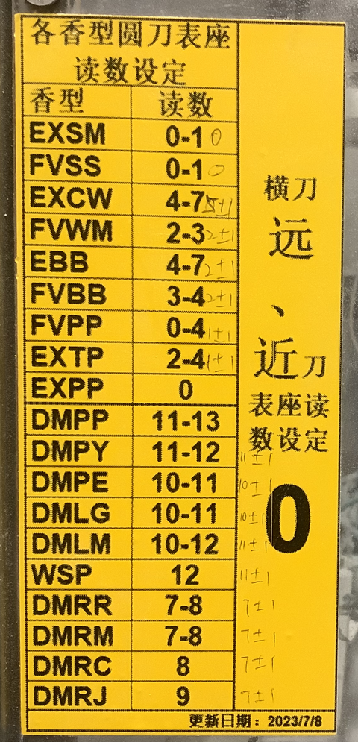
EXCW | 30mm | 29.5mm | 连续开机1.5小时以上 | 160 | 75 | 3 | 30 | 65 | -18
EXCW | 30mm | 29.5mm | 停机15分钟后再开机 | 160 | 75 | 3 | 65±5 | 65±5 | -15
EXTP | 30mm | 29.5mm | 正常生产 | 160 | 75 | 3 | 65 | 65 | -13
EXTP | 30mm | 29.5mm | 连续开机1.5小时以上 | 160 | 75 | 3 | 25 | 65 | -18
EXTP | 30mm | 29.5mm | 停机15分钟后再开机 | 160 | 75 | 3 | 65 | 65 | -15
EBB | 30mm | 29.5mm | 正常生产 | 160 | 75 | 3 | 65 | 65 | -13
EBB | 30mm | 29.5mm | 连续开机1.5小时以上 | 160 | 75 | 3 | 50±5 | 65 | -18
EBB | 30mm | 29.5mm | 停机15分钟后再开机 | 160 | 75 | 3 | 65 | 65 | -15
FVBB | 30mm | 29.5mm | 正常生产 | 160 | 75 | 3 | 65 | 65 | -13
FVBB | 30mm | 29.5mm | 连续开机1.5小时以上 | 160 | 75 | 3 | 50±5 | 65 | -18
FVBB | 30mm | 29.5mm | 停机15分钟后再开机 | 160 | 75 | 3 | 65 | 65 | -15
FVWM | 30mm | 29.5mm | 正常生产 | 160 | 75 | 3 | 65 | 65 | -13
FVWM | 30mm | 29.5mm | 连续开机1.5小时以上 | 160 | 75 | 3 | 25 | 65 | -18
FVWM | 30mm | 29.5mm | 停机15分钟后再开机 | 160 | 75 | 3 | 65 | 65 | -15
EXSM | 30mm | 29.5mm | 正常生产 | 140-150 | 75 | 3 | 65 | 65 | -13
EXSM | 30mm | 29.5mm | 连续开机1.5小时以上 | 140-150 | 75 | 3 | 25 | 60±5 | -18
EXSM | 30mm | 29.5mm | 停机15分钟后再开机 | 140-150 | 75 | 3 | 40 | 65 | -15
FVPP | 30mm | 29.5mm | 正常生产 | 140-150 | 75 | 3 | 65 | 65 | -13
FVPP | 30mm | 29.5mm | 连续开机1.5小时以上 | 140-150 | 75 | 3 | 30±5 | 65 | -18
FVPP | 30mm | 29.5mm | 停机15分钟后再开机 | 140-150 | 75 | 3 | 65 | 65 | -15
FVSS | 30mm | 29.5mm | 正常生产 | 160 | 75 | 3 | 65 | 65 | -13
FVSS | 30mm | 29.5mm | 连续开机1.5小时以上 | 160 | 75 | 3 | 25 | 60±5 | -18
FVSS | 30mm | 29.5mm | 停机15分钟后再开机 | 160 | 75 | 3 | 65 | 65 | -15

